주행 중 녹화 기능
OWD_145 |  |  | English Translation | English Translation | English Translation |  | English Translation | English Translation
ID | Test method | TC design method | Verification items | detail | Precondition | Step | Execution Procedure | Expected value | 결과 | 측정값 | 판정 | 비고 | 매뉴얼 기본 | 자동화 기본 | 자동화 반영 | 사양구분 | 과거차문제
[BLTN_CAM-기능-001] 주행 중 상시 녹화
 |  |  |  |  |  | 2 | ▪ Check front/rear camera indicator | ▪Camera Indicator (Blink Cycle/Duty Ratio/Hold Time) - Off/-/Hold |  |  |  |  | O | △ | △
 |  |  |  |  |  | 2 | ▪ Check front/rear camera indicator | ▪Camera Indicator (Blink Cycle/Duty Ratio/Hold Time) - Off/-/Hold |  |  |  |  | X | △ | △
 |  |  |  |  |  | 2 | ▪ Check the time taken to start recording (In Built-in Cam mode, the time is measured by the stopwatch as soon as the HOME button is pressed, and recorded as the time captured in the recording file) | ▪ Recording starts within 4 seconds of exiting Built-in Cam mode |  |  |  |  | X | X | X
 |  |  |  |  |  | 3 | ▪ Check front/rear camera indicator | ▪ Camera Indicator (Blink Cycle/Duty Ratio/Hold Time) - 0.5Hz/50%/Hold |  | 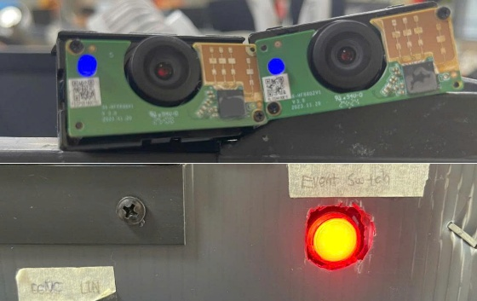 |  |  | X | △ | △
 |  |  |  |  |  | 2 | ▪ Check the time taken to start recording (In Built-in Cam mode, the time is measured by the stopwatch as soon as the HOME button is pressed, and recorded as the time captured in the recording file) | ▪ Recording starts within 4 seconds of exiting Built-in Cam mode |  |  |  |  | X | X | X
 |  |  |  |  |  | 3 | ▪ Check front/rear camera indicator | ▪ Camera Indicator (Blink Cycle/Duty Ratio/Hold Time) - 0.5Hz/50%/Hold |  |  |  |  | X | △ | △
OWD_003 | ▪ Requirement-based test | ▪ Requirements Analysis | [Continuous Recording While Driving] - (3) | Verify that the continuous recording setting is ON while driving. | ▪ Built-in Cam Boot Complete ▪ BLTN_CAM_State = 0x0 (BLTN_CAM Valid) ▪ BLTN_CAM_SD_Card_State = 0x0 (Good) ▪ Associated Controller CAN/Ethernet Communication Enabled ▪ Power: Key On ▪ Voltage: 12V ▪ Setting: Continuous Recording While Driving ON | 1 | ▪ 3-Minute Standby ▪ Built-in Cam Main Screen ▪ [Always On While Driving] Check Storage Box | ▪ No black thumbnails in the video list ▪ Displayed in the video list by the start time of continuous recording while driving ▪ Three videos (Front + Rear 60 sec) combined and displayed as a single group in the HU |  |  |  |  | X | X | X
 |  |  |  |  |  | 2 | ▪ Playback of recording files generated in HU | ▪ No video glitches, green screens, black screens, or noise |  | 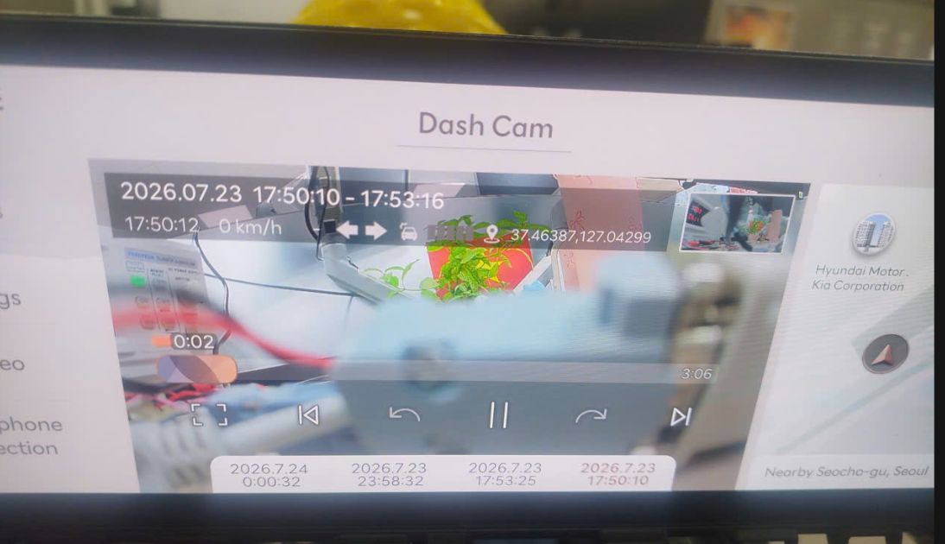 |  |  | X | X | X
 |  |  |  |  |  | 3 | ▪ Check left and right sides of the generated recording file video | ▪ No horizontal flip of the video |  |  |  |  | X | X | X
 |  |  |  |  |  | 3 | ▪ Check front/rear camera indicator | ▪ Camera Indicator (Blink Cycle/Duty Ratio/Hold Time) - Off/-/Hold |  |  |  |  | X | △ | △
OWD_059 | ▪ Requirements Analysis | ▪ Requirements Analysis | [Continuous Recording While Driving] - (3) | Separate group index when date changes during recording | ▪ Built-in Cam Boot Complete ▪ BLTN_CAM_State = 0x0 (BLTN_CAM Valid) ▪ BLTN_CAM_SD_Card_State = 0x0 (Good) ▪ Associated Controller CAN/Ethernet Communication Enabled ▪ Power: Key On ▪ Voltage: 12V ▪ Setting: Continuous Recording While Driving ON | 1 | ▪ Continuous recording starts while driving at 23:58:30 ▪ After 3 minutes, 3 recording files are created, then check the list of videos from the continuous recording while driving. | ▪ Created as 2 recording groups - 23:58:30 ~ 00:00:30 - 00:00:30 ~ 00:01:30 |  | 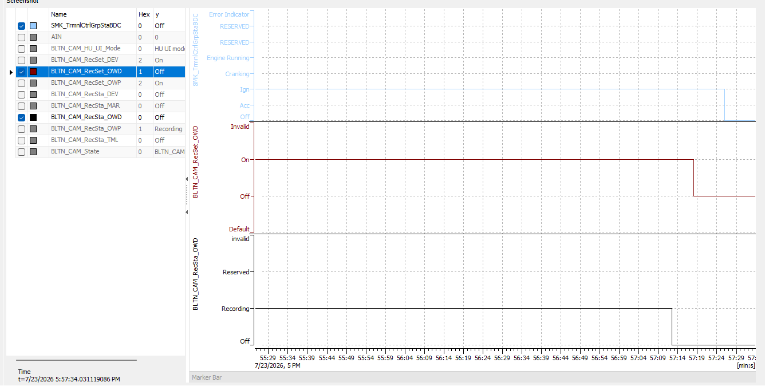 |  |  | X | X | X
OWD_004 | ▪ Requirement-based test | ▪ Requirements Analysis | [Continuous Recording While Driving] - (4) | Check recording files after entering continuous recording while parked | ▪ Built-in Cam Boot Complete ▪ BLTN_CAM_State = 0x0 (BLTN_CAM Valid) ▪ BLTN_CAM_SD_Card_State = 0x0 (Good) ▪ Associated Controller CAN/Ethernet Communication Enabled ▪ Power: Key On ▪ Voltage: 12V ▪ Settings: Continuous Recording While Driving, Continuous Recording While Parked ON | 1 | ▪ Turn KEY OFF to enter continuous recording while parked (Continuous recording while parked for 10 seconds) ▪ Turn KEY ON to start continuous recording while driving (Continuous recording while driving for 10 seconds) ▪ Repeat the above process 5 times, then check the [Continuous Recording While Driving] box. | ▪ No black thumbnails in the video list ▪ Displayed in the video list by the start time of continuous recording while driving |  |  |  |  | X | X | X
 |  |  |  |  |  | 2 | ▪ Play generated recording file | ▪ No video glitches, green screens, black screens, or noise |  | 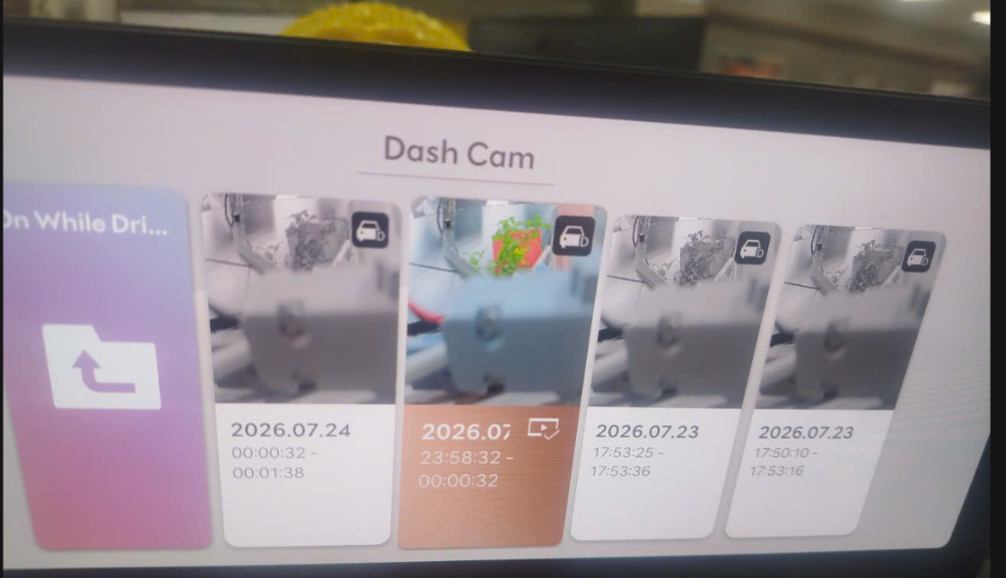 |  |  | X | X | X
 |  |  |  |  |  | 2 | ▪ Check front/rear camera indicator | ▪ Camera Indicator (Blink Cycle/Duty Ratio/Hold Time) - 0.5Hz/50%/Hold |  |  |  |  | O | X | △
 |  |  |  |  |  | 2 | ▪ Check front/rear camera indicator | ▪ Camera Indicator (Flash Cycle/Duty Ratio/Hold Time) - Off/-/Hold |  |  |  |  | X | X | △
 |  |  |  |  |  | 5 | ▪ 1-Minute Standby ▪ Built-in Cam Main Screen ▪ [Always On While Driving] Check Storage Box | ▪ Confirm saving of continuous recording files while driving - Create 1 list of Front & Rear Video (60 sec) |  |  |  |  | X | X | X
 |  |  |  |  |  | 7 | ▪ Check recorded video | ▪ Confirm saving of continuous/impact/manual/time-lapse recording files while driving ▪ No video glitches, green screens, black screens, or noise |  |  |  |  | X | X | X
 |  |  |  |  |  | 3 | ▪ [Always on while driving] Check storage box | ▪ Verify that continuous recording files are saved while driving ▪ No video glitches, green screens, black screens, or noise |  |  |  |  | X | X | X
 |  |  |  |  |  | 3 | ▪ Check recorded video | ▪ Confirm saving of continuous/impact/manual/time-lapse recording files while driving ▪ No video glitches, green screens, black screens, or noise |  |  |  |  | X | X | X
OWD_068 | ▪ Requirement-based test | ▪ Requirements Analysis | [Impact of Continuous Recording While Driving] - (2) | ACC On while recording continuously while driving with IGN On power | ▪ Built-in Cam Boot Complete ▪ BLTN_CAM_State = 0x0 (BLTN_CAM Valid) ▪ BLTN_CAM_SD_Card_State = 0x0 (Good) ▪ Associated Controller CAN/Ethernet Communication Enabled ▪ Power: ACC OFF, IGN ON ▪ Voltage: 12V | 1 | ▪ ACC On while continuous recording is in operation during driving ▪ Check continuous recording status signal while driving | ▪ BLTN_CAM_RecSet_OWD = 0x2(On) |  |  |  |  | X | X | 01_OWD_016
 |  |  |  |  |  | 2 | ▪ Verify built-in cam entry/exit operation | ▪ Must be able to access/exit the built-in cam - Must not crash to the HU screen - Must not reboot |  |  |  |  | X | X | 01_OWD_016
 |  |  |  |  |  | 3 | ▪ [Always on while driving] Check storage box | ▪ Verify that continuous recording files are saved while driving ▪ No video glitches, green screens, black screens, or noise |  |  |  |  | X | X | X
 |  |  |  |  |  | 3 | ▪ Check recorded video | ▪ Confirm saving of continuous/impact/manual/time-lapse recording files while driving ▪ No video glitches, green screens, black screens, or noise |  |  |  |  | X | X | X
OWD_007 | ▪ Requirement-based test | ▪ Requirements Analysis | [When camera video is not input] | Front camera removed, continuous recording while driving + time-lapse + manual recording while driving | ▪ Built-in Cam Boot Complete ▪ BLTN_CAM_State = 0x0 (BLTN_CAM Valid) ▪ BLTN_CAM_SD_Card_State = 0x0 (Good) ▪ Associated Controller CAN/Ethernet Communication Enabled ▪ Power: Key On ▪ Voltage: 12V ▪ Setting: Continuous Recording While Driving ON | 1 | ▪ Recording in progress: Continuous recording while driving + Time-lapse + Manual recording while driving ▪ Remove front camera after 30 seconds ▪ Reinstall camera after 20 seconds ▪ Check generated recording files after 30 seconds | ▪ Recorded video file created (Black screen recording if no video input) ▪ Camera restored within 2 seconds after installation (Recorded file driving data, capacity, playback time) |  |  |  |  | X | X | X
OWD_073 | ▪ Requirement-based test | ▪ Requirements Analysis | [When camera video is not input] | Rear camera removal, continuous recording while driving + time-lapse + manual recording while driving | ▪ Built-in Cam Boot Complete ▪ BLTN_CAM_State = 0x0 (BLTN_CAM Valid) ▪ BLTN_CAM_SD_Card_State = 0x0 (Good) ▪ Associated Controller CAN/Ethernet Communication Enabled ▪ Power: Key On ▪ Voltage: 12V ▪ Setting: Continuous Recording While Driving ON | 1 | ▪ Recording in progress: Continuous recording while driving + Time-lapse + Manual recording while driving ▪ Remove rear camera after 30 seconds ▪ Reinstall camera after 20 seconds ▪ Check generated recording files after 30 seconds | ▪ Recorded video file created (Black screen recording if no video input) ▪ Camera restored within 2 seconds after installation (Recorded file driving data, capacity, playback time) |  |  |  |  | X | X | X
OWD_074 | ▪ Requirement-based test | ▪ Requirements Analysis | [When camera video is not input] | Front/Rear Camera Removal, Continuous Recording While Driving + Time-lapse + Manual Recording While Driving | ▪ Built-in Cam Boot Complete ▪ BLTN_CAM_State = 0x0 (BLTN_CAM Valid) ▪ BLTN_CAM_SD_Card_State = 0x0 (Good) ▪ Associated Controller CAN/Ethernet Communication Enabled ▪ Power: Key On ▪ Voltage: 12V ▪ Setting: Continuous Recording While Driving ON | 1 | ▪ Recording in progress: Continuous recording while driving + Time-lapse + Manual recording while driving ▪ Remove front and rear cameras after a 30-second wait ▪ Reinstall cameras after a 20-second wait ▪ Check generated recording files after a 30-second wait | ▪ Recorded video file created (Black screen recording if no video input) ▪ Camera restored within 2 seconds after installation (Recorded file driving data, capacity, playback time) |  |  |  |  | X | X | X
OWD_075 | ▪ Requirement-based test | ▪ Requirements Analysis | [When camera video is not input] | When detaching the front camera while recording continuously while driving | ▪ Built-in Cam Boot Complete ▪ BLTN_CAM_State = 0x0 (BLTN_CAM Valid) ▪ BLTN_CAM_SD_Card_State = 0x0 (Good) ▪ Associated Controller CAN/Ethernet Communication Enabled ▪ Power: Key On ▪ Voltage: 12V ▪ Setting: Continuous Recording While Driving ON | 1 | ▪ Front camera removal while continuous recording is in progress during driving | ▪ BLTN_CAM_State = 0x1(Front camera recording disabled) |  |  |  |  | X | X | X
 |  |  |  |  |  | 2 | ▪ Front Camera Installation ▪ Remove and reattach quickly within 1 second, repeating this 10 times, then reattach. | ▪ Recorded video file created (Black screen recording if no video input) ▪ Camera restored within 2 seconds after installation (Recorded file driving data, capacity, playback time) ▪ Impact events not recorded |  |  |  |  | X | X | X
 |  |  |  |  |  | 3 | ▪ Check status signal | ▪ BLTN_CAM_State = 0x0 |  |  |  |  | X | X | X
OWD_076 | ▪ Requirement-based test | ▪ Requirements Analysis | [When camera video is not input] | Impact of CAN communication when removing the front camera during continuous recording while driving | ▪ Built-in Cam Boot Complete ▪ BLTN_CAM_State = 0x0 (BLTN_CAM Valid) ▪ BLTN_CAM_SD_Card_State = 0x0 (Good) ▪ Associated Controller CAN/Ethernet Communication Enabled ▪ Power: Key On ▪ Voltage: 12V ▪ Setting: Continuous Recording While Driving ON | 1 | ▪ Front camera detachment while continuous recording is in progress during driving | ▪ Maintain CAN communication |  |  |  |  | X | X | X
OWD_077 | ▪ Requirement-based test | ▪ Requirements Analysis | [When camera video is not input] | When detaching the rear camera while recording continuously while driving | ▪ Built-in Cam Boot Complete ▪ BLTN_CAM_State = 0x0 (BLTN_CAM Valid) ▪ BLTN_CAM_SD_Card_State = 0x0 (Good) ▪ Associated Controller CAN/Ethernet Communication Enabled ▪ Power: Key On ▪ Voltage: 12V ▪ Setting: Continuous Recording While Driving ON | 1 | ▪ Removal of rear camera while continuous recording is in progress during driving | ▪ BLTN_CAM_State = 0x2(Rear camera recording disabled) |  |  |  |  | X | X | X
 |  |  |  |  |  | 2 | ▪ Rearview Camera Installation ▪ Remove and reattach quickly within 1 second, repeating this 10 times, then install. | ▪ Recorded video file created (Black screen recording if no video input) ▪ Camera restored within 2 seconds after installation (Recorded file driving data, capacity, playback time) ▪ Impact events not recorded |  |  |  |  | X | X | X
 |  |  |  |  |  | 3 | ▪ Check status signal | ▪ BLTN_CAM_State = 0x0 |  |  |  |  | X | X | X
OWD_078 | ▪ Requirement-based test | ▪ Requirements Analysis | [When camera video is not input] | Impact of CAN communication when removing rear camera during continuous recording while driving | ▪ Built-in Cam Boot Complete ▪ BLTN_CAM_State = 0x0 (BLTN_CAM Valid) ▪ BLTN_CAM_SD_Card_State = 0x0 (Good) ▪ Associated Controller CAN/Ethernet Communication Enabled ▪ Power: Key On ▪ Voltage: 12V ▪ Setting: Continuous Recording While Driving ON | 1 | ▪ Removal of rear camera while continuous recording is in progress while driving | ▪ Maintain CAN communication |  |  |  |  | X | X | X
OWD_079 | ▪ Requirement-based test | ▪ Requirements Analysis | [When camera video is not input] | Check G-sensor operation after detaching the camera while recording continuously while driving | ▪ Built-in Cam Boot Complete ▪ BLTN_CAM_State = 0x0 (BLTN_CAM Valid) ▪ BLTN_CAM_SD_Card_State = 0x0 (Good) ▪ Associated Controller CAN/Ethernet Communication Enabled ▪ Power: Key On ▪ Voltage: 12V ▪ Setting: Continuous Recording While Driving ON | 1 | ▪ Remove front camera while continuous recording is in progress while driving ▪ Remove front camera after waiting 30 seconds ▪ Reinstall camera after waiting 20 seconds ▪ Authorize impact event | ▪ Recorded video file created (Black screen recording if no video input) ▪ Camera restored within 2 seconds after installation (Recorded file driving data, capacity, playback time) ▪ Confirmation of impact event recording saved |  |  |  |  | X | X | X
 |  |  |  |  |  | 2 | ▪ ↑ Verify that the above procedure is repeated 10 times | ▪ Recorded video file created (Black screen recording if no video input) ▪ Camera restored within 2 seconds after installation (Recorded file driving data, capacity, playback time) ▪ Confirmation of impact event recording saved |  |  |  |  | X | X | X
OWD_080 | ▪ Requirement-based test | ▪ Requirements Analysis | [When camera video is not input] | Check voice recording after detaching the camera during continuous recording while parked | ▪ Built-in Cam Boot Complete ▪ BLTN_CAM_State = 0x0 (BLTN_CAM Valid) ▪ BLTN_CAM_SD_Card_State = 0x0 (Good) ▪ Associated Controller CAN/Ethernet Communication Enabled ▪ Power: Key On ▪ Voltage: 12V ▪ Setting: Continuous Recording While Driving ON | 1 | ▪ Remove front camera while continuous recording is in progress while parked ▪ Turn KEY On ▪ Reinstall front camera before starting continuous recording while driving ▪ Enable manual recording upon impact or while driving ▪ Check generated recording file after waiting 1 minute | ▪ Recorded video file created (Black screen recording if no video input) ▪ Camera restored within 2 seconds after installation (Recorded file driving data, capacity, playback time) ▪ Check audio sync for continuous recording while driving |  |  |  |  | X | X | X
 |  |  |  |  |  | 2 | ▪ ↑ Verify that the above procedure is repeated 10 times | ▪ Recorded video file created (Black screen recording if no video input) ▪ Camera restored within 2 seconds after installation (Recorded file driving data, capacity, playback time) ▪ Confirmation of impact event recording saved |  |  |  |  | X | X | X
OWD_008 | ▪ Requirement-based test | ▪Requirements Analysis ▪ Decision Table Testing | [Power Fail Safety Operation] : Emergency Power (Super Cap) Performance (Driving) | B+ OFF during continuous recording while driving | ▪ Built-in Cam Boot Complete ▪ BLTN_CAM_State = 0x0 (BLTN_CAM Valid) ▪ BLTN_CAM_SD_Card_State = 0x0 (Good) ▪ Associated Controller CAN/Ethernet Communication Enabled ▪ Power: Key On ▪ Voltage: 12V ▪ Setting: Continuous Recording While Driving ON | 1 | ▪ Continuous recording while driving ▪ B+ Power Input Off | ▪ The file being recorded right before the power was turned off is saved |  |  |  |  | X | X | X
OWD_084 | ▪ Requirement-based test | ▪Requirements Analysis ▪ Decision Table Testing | [Power Fail Safety Operation] : Emergency Power (Super Cap) Performance (Driving) | Recording events (impacts) while driving | ▪ Built-in Cam Boot Complete ▪ BLTN_CAM_State = 0x0 (BLTN_CAM Valid) ▪ BLTN_CAM_SD_Card_State = 0x0 (Good) ▪ Associated Controller CAN/Ethernet Communication Enabled ▪ Power: Key On ▪ Voltage: 12V ▪ Settings: Continuous Recording While Driving, Driving Events ON | 1 | ▪ Record events while driving ▪ B+ Power Input Off | ▪ The file being recorded right before the power was turned off is saved |  |  |  |  | X | X | X
OWD_085 | ▪ Requirement-based test | ▪Requirements Analysis ▪ Decision Table Testing | [Power Fail Safety Operation] : Emergency Power (Super Cap) Performance (Driving) | Recording events (switch) while driving | ▪ Built-in Cam Boot Complete ▪ BLTN_CAM_State = 0x0 (BLTN_CAM Valid) ▪ BLTN_CAM_SD_Card_State = 0x0 (Good) ▪ Associated Controller CAN/Ethernet Communication Enabled ▪ Power: Key On ▪ Voltage: 12V ▪ Settings: Continuous Recording While Driving, Driving Events ON | 1 | ▪ Manual recording while driving ▪ B+ Power Input Off | ▪ The file being recorded right before the power was turned off is saved |  |  |  |  | X | X | X
OWD_086 | ▪ Requirement-based test | ▪Requirements Analysis ▪ Decision Table Testing | [Power Fail Safety Operation] : Emergency Power (Super Cap) Performance (Driving) | Recording time-lapse | ▪ Built-in Cam Boot Complete ▪ BLTN_CAM_State = 0x0 (BLTN_CAM Valid) ▪ BLTN_CAM_SD_Card_State = 0x0 (Good) ▪ Associated Controller CAN/Ethernet Communication Enabled ▪ Power: Key On ▪ Voltage: 12V ▪ Settings: Continuous Recording While Driving, Driving Events ON | 1 | ▪ Time-lapse video recording ▪ B+ Power input Off | ▪ The file being recorded right before the power was turned off is saved |  |  |  |  | X | X | X
OWD_087 | ▪ Requirement-based test | ▪Requirements Analysis ▪ Decision Table Testing | [Power Fail Safety Operation] : Emergency Power (Super Cap) Performance (Driving) | Complex recording in progress | ▪ Built-in Cam Boot Complete ▪ BLTN_CAM_State = 0x0 (BLTN_CAM Valid) ▪ BLTN_CAM_SD_Card_State = 0x0 (Good) ▪ Associated Controller CAN/Ethernet Communication Enabled ▪ Power: Key On ▪ Voltage: 12V ▪ Settings: Continuous Recording While Driving, Driving Events ON | 1 | ▪ Continuous recording while driving, Event recording while driving, Manual recording while driving, Time-lapse recording in progress ▪ B+ Power Input Off | ▪ The file being recorded right before the power was turned off is saved |  |  |  |  | O | X | X
OWD_088 | ▪ Requirement-based test | ▪Requirements Analysis ▪ Decision Table Testing | [Power Fail Safety Operation] : Emergency Power (Super Cap) Performance (Driving) | B+ OFF during continuous recording while driving | ▪ Built-in Cam Boot Complete ▪ BLTN_CAM_State = 0x0 (BLTN_CAM Valid) ▪ BLTN_CAM_SD_Card_State = 0x0 (Good) ▪ Associated Controller CAN/Ethernet Communication Enabled ▪ Power: Key On ▪ Voltage: 12V ▪ Settings: Continuous Recording While Driving, Driving Events ON | 1 | ▪ Continuous video recording while driving, rear camera not recognized ▪ B+ Power Input Off | ▪ The file being recorded right before the power was turned off is saved |  |  |  |  | X | X | X
OWD_089 | ▪ Requirement-based test | ▪Requirements Analysis ▪ Decision Table Testing | [Power Fail Safety Operation] : Emergency Power (Super Cap) Performance (Driving) | B+ OFF during performance recording | ▪ Built-in Cam Boot Complete ▪ BLTN_CAM_State = 0x0 (BLTN_CAM Valid) ▪ BLTN_CAM_SD_Card_State = 0x0 (Good) ▪ Associated Controller CAN/Ethernet Communication Enabled ▪ Power: Key On ▪ Voltage: 12V ▪ Settings: Continuous Recording While Driving, Driving Events ON | 1 | ▪ Performance Video Recording ▪ B+ Power Input Off | ▪ The file being recorded right before the power was turned off is saved |  |  |  |  | X | X | X | 퍼포먼스_지원
[BLTN_CAM-기능-002] 주행 이벤트 녹화
 |  |  |  |  |  | 2 | ▪ Check front/rear camera indicator | ▪ Camera Indicator (Blink Cycle/Duty Ratio/Hold Time) - Off/-/Hold |  |  |  |  | O | △ | △
 |  |  |  |  |  | 2 | ▪ Check front/rear camera indicator | ▪ Camera Indicator (Blink Cycle/Duty Ratio/Hold Time) - 0.5Hz/50%/10 seconds |  |  |  |  | X | △ | △
 |  |  |  |  |  | 2 | ▪ Check front/rear camera indicator | ▪ Camera Indicator (Blink Cycle/Duty Ratio/Hold Time) - 1Hz/50%/10 seconds |  |  |  |  | X | △ | △
 |  |  |  |  |  | 2 | ▪ Check front/rear camera indicator | ▪ Camera Indicator (Blink Cycle/Duty Ratio/Hold Time) - 0.5Hz/50%/Hold |  |  |  |  | X | △ | △
 |  |  |  |  |  | 2 | ▪ Check front/rear camera indicator | ▪ Camera Indicator (Blink Cycle/Duty Ratio/Hold Time) - 1Hz/50%/10 seconds |  |  |  |  | X | △ | △
OWD_011 | ▪ Requirement-based test | ▪ Requirements Analysis | [Recording Events While Driving] - (3) | Confirmation of event recording operation while driving when recording setting is ON | ▪ Built-in Cam Boot Complete ▪ BLTN_CAM_State = 0x0 (BLTN_CAM Valid) ▪ BLTN_CAM_SD_Card_State = 0x0 (Good) ▪ Associated Controller CAN/Ethernet Communication Enabled ▪ Power: Key On ▪ Voltage: 12V ▪ Setting: Driving Event Recording ON | 1 | ▪ Event authorized 3 times at 11-second intervals ▪ Built-in Cam Main Screen ▪ [Driving Event] Check Storage | ▪ Confirmation of saving of recording files for driving events (impacts) - Confirmation of creation of a list of 3 front & rear videos (20 sec, margin of error -1 allowed) |  |  |  |  | O | X | X
 |  |  |  |  |  | 2 | ▪ Playback of recording files generated in HU | ▪ No video glitches, green screens, black screens, or noise |  |  |  |  | O | X | X
 |  |  |  |  |  | 3 | ▪ Check left and right sides of the generated recording file video | ▪ No horizontal flip of the video |  |  |  |  | O | X | X
 |  |  |  |  |  | 3 | ▪ Check front/rear camera indicator | ▪ Camera Indicator (Flash Cycle/Duty Ratio/Hold Time) - Off/-/Hold |  |  |  |  | X | X | △
OWD_012 | ▪ Requirement-based test | ▪ Requirements Analysis | [Recording Events While Driving] - (4) | Display of event impact location (continuous recording file) | ▪ Built-in Cam Boot Complete ▪ BLTN_CAM_State = 0x0 (BLTN_CAM Valid) ▪ BLTN_CAM_SD_Card_State = 0x0 (Good) ▪ Associated Controller CAN/Ethernet Communication Enabled ▪ Power: Key On ▪ Voltage: 12V ▪ Settings: Continuous Recording While Driving, Driving Event Recording ON | 1 | ▪ Check continuous recording files while driving after one impact event is triggered during continuous recording while driving | ▪ Playback of continuous recording files while driving : The time of event occurrence matches the progress bar display (red indicator) |  |  |  |  | X | X | X
OWD_095 | ▪ Requirement-based test | ▪ Requirements Analysis | [Recording Events While Driving] - (4) | Display Event Impact Location (Continuous Recording File) - Duplicate Events | ▪ Built-in Cam Boot Complete ▪ BLTN_CAM_State = 0x0 (BLTN_CAM Valid) ▪ BLTN_CAM_SD_Card_State = 0x0 (Good) ▪ Associated Controller CAN/Ethernet Communication Enabled ▪ Power: Key On ▪ Voltage: 12V ▪ Settings: Continuous Recording While Driving, Driving Event Recording ON | 1 | ▪ Enable impact event during continuous recording while driving ▪ Re-enable after 5 seconds ▪ Check continuous recording files while driving | ▪ Continuous playback of recorded files while driving : Event occurrence time matches progress bar display (red indicator) ▪ Duplicate events are ignored while recording a single event (recorded only once) |  |  |  |  | X | X | X
OWD_096 | ▪ Requirement-based test | ▪ Requirements Analysis | [Recording Events While Driving] - (4) | Display location of event impact (continuous recording file) : Enter Built-in Cam mode before completion | ▪ Built-in Cam Boot Complete ▪ BLTN_CAM_State = 0x0 (BLTN_CAM Valid) ▪ BLTN_CAM_SD_Card_State = 0x0 (Good) ▪ Associated Controller CAN/Ethernet Communication Enabled ▪ Power: Key On ▪ Voltage: 12V ▪ Settings: Continuous Recording While Driving, Driving Event Recording ON | 1 | ▪ Authorize 1 impact event during continuous recording while driving ▪ Enter built-in cam screen after 5 seconds ▪ Check continuous recording files while driving | ▪ Continuous playback of recorded files while driving : The time of event occurrence matches the progress bar display (red indicator) ▪ Duplicate events are ignored while recording an event that has occurred once |  |  |  |  | X | X | X
OWD_097 | ▪ Requirement-based test | ▪ Requirements Analysis | [Recording Events While Driving] - (4) | Display Event Impact Location (Continuous Recording File) : Key OFF Before Completion | ▪ Built-in Cam Boot Complete ▪ BLTN_CAM_State = 0x0 (BLTN_CAM Valid) ▪ BLTN_CAM_SD_Card_State = 0x0 (Good) ▪ Associated Controller CAN/Ethernet Communication Enabled ▪ Power: Key On ▪ Voltage: 12V ▪ Settings: Continuous Recording While Driving, Driving Event Recording ON | 1 | ▪ Authorize 1 impact event during continuous recording while driving ▪ Key Off after 5 seconds ▪ Check continuous recording files while driving | ▪ Continuous playback of recorded files while driving : The time of event occurrence matches the progress bar display (red indicator) ▪ Duplicate events are ignored while recording an event that has occurred once |  |  |  |  | X | X | X
OWD_098 | ▪ Requirement-based test | ▪ Requirements Analysis | [Recording Events While Driving] - (4) | Display location of event impact (continuous recording file) : Remove B+ before completion | ▪ Built-in Cam Boot Complete ▪ BLTN_CAM_State = 0x0 (BLTN_CAM Valid) ▪ BLTN_CAM_SD_Card_State = 0x0 (Good) ▪ Associated Controller CAN/Ethernet Communication Enabled ▪ Power: Key On ▪ Voltage: 12V ▪ Settings: Continuous Recording While Driving, Driving Event Recording ON | 1 | ▪ Authorize 1 impact event during continuous recording while driving ▪ Remove B+ after 5 seconds ▪ Check continuous recording file while driving | ▪ Continuous playback of recorded files while driving : The time of event occurrence matches the progress bar display (red indicator) ▪ Duplicate events are ignored while recording an event that has occurred once |  |  |  |  | X | X | X
OWD_099 | ▪ Requirement-based test | ▪ Requirements Analysis | [Recording Events While Driving] - (4) | Display location of event impact (event recording file) | ▪ Built-in Cam Boot Complete ▪ BLTN_CAM_State = 0x0 (BLTN_CAM Valid) ▪ BLTN_CAM_SD_Card_State = 0x0 (Good) ▪ Associated Controller CAN/Ethernet Communication Enabled ▪ Power: Key On ▪ Voltage: 12V ▪ Settings: Continuous Recording While Driving, Driving Event Recording ON | 1 | ▪ Check driving event recording files after one impact event is authorized during continuous recording while driving | ▪ Playback of event recording file while driving : Matches the time of event occurrence with the progress bar display (red indicator) |  |  |  |  | X | X | X
OWD_100 | ▪ Requirement-based test | ▪ Requirements Analysis | [Recording Events While Driving] - (4) | Display Event Impact Location (Event Recording File) - Duplicate Event | ▪ Built-in Cam Boot Complete ▪ BLTN_CAM_State = 0x0 (BLTN_CAM Valid) ▪ BLTN_CAM_SD_Card_State = 0x0 (Good) ▪ Associated Controller CAN/Ethernet Communication Enabled ▪ Power: Key On ▪ Voltage: 12V ▪ Settings: Continuous Recording While Driving, Driving Event Recording ON | 1 | ▪ Enable impact event during continuous recording while driving ▪ Re-enable after 5 seconds ▪ Check driving event recording file | ▪ Playback of event recording files while driving : Matches the time of event occurrence with the progress bar display (red indicator) ▪ Ignores duplicate events while recording a single event (recorded only once) |  |  |  |  | X | X | X
OWD_101 | ▪ Requirement-based test | ▪ Requirements Analysis | [Recording Events While Driving] - (4) | Display Event Impact Location (Event Recording File) - Stop Before Completion | ▪ Built-in Cam Boot Complete ▪ BLTN_CAM_State = 0x0 (BLTN_CAM Valid) ▪ BLTN_CAM_SD_Card_State = 0x0 (Good) ▪ Associated Controller CAN/Ethernet Communication Enabled ▪ Power: Key On ▪ Voltage: 12V ▪ Settings: Continuous Recording While Driving, Driving Event Recording ON | 1 | ▪ Authorize 1 impact event during continuous recording while driving ▪ Enter built-in cam screen before impact event recording is complete | ▪ Playback of event recording files while driving : Matches the time of event occurrence with the progress bar display (red indicator) ▪ Duplicate events are ignored while an event that has occurred once is being recorded |  |  |  |  | X | X | X
OWD_102 | ▪ Requirement-based test | ▪ Requirements Analysis | [Recording Events While Driving] - (4) | Display Event Impact Location (Event Recording File) : Key OFF Before Completion | ▪ Built-in Cam Boot Complete ▪ BLTN_CAM_State = 0x0 (BLTN_CAM Valid) ▪ BLTN_CAM_SD_Card_State = 0x0 (Good) ▪ Associated Controller CAN/Ethernet Communication Enabled ▪ Power: Key On ▪ Voltage: 12V ▪ Settings: Continuous Recording While Driving, Driving Event Recording ON | 1 | ▪ Enable 1 impact event during continuous recording while driving ▪ Turn off Key after 5 seconds ▪ Check driving event recording file | ▪ Playback of event recording files while driving : Matches the time of event occurrence with the progress bar display (red indicator) ▪ Duplicate events are ignored while an event that has occurred once is being recorded |  |  |  |  | X | X | X
OWD_103 | ▪ Requirement-based test | ▪ Requirements Analysis | [Recording Events While Driving] - (4) | Display Event Impact Location (Event Recording File) : Remove B+ before completion | ▪ Built-in Cam Boot Complete ▪ BLTN_CAM_State = 0x0 (BLTN_CAM Valid) ▪ BLTN_CAM_SD_Card_State = 0x0 (Good) ▪ Associated Controller CAN/Ethernet Communication Enabled ▪ Power: Key On ▪ Voltage: 12V ▪ Settings: Continuous Recording While Driving, Driving Event Recording ON | 1 | ▪ Enable 1 impact event during continuous recording while driving ▪ Remove B+ after 5 seconds ▪ Check driving event recording file | ▪ Playback of event recording files while driving : Matches the time of event occurrence with the progress bar display (red indicator) ▪ Duplicate events are ignored while an event that has occurred once is being recorded |  |  |  |  | X | X | X
OWD_013 | ▪ Requirement-based test | ▪ Requirements Analysis | [Check Shock Event Recording Time Settings] (1) | Recording file event settings -10s ~ +10s | ▪ Built-in Cam Boot Complete ▪ BLTN_CAM_State = 0x0 (BLTN_CAM Valid) ▪ BLTN_CAM_SD_Card_State = 0x0 (Good) ▪ Associated Controller CAN/Ethernet Communication Enabled ▪ Power: Key On ▪ Voltage: 12V ▪ Setting: Driving Event Recording ON | 1 | ▪ Set the corresponding event recording time (Bfr, Aft) in the Built-in Cam settings screen BLTN_CAM_EV_BfrTime_NvalueSet = 0x0 (-10s) BLTN_CAM_EV_AftTime_NvalueSet = 0x0 (+10s) ▪ Enable impact event after Bfr time following exit from Built-in Cam mode ▪ Enter Built-in Cam mode after Aft time to check the recorded video ▪ Check the length of the recorded video | ▪BLTN_CAM_Set_EV_BfrTime = 0x0 (-10s) ▪BLTN_CAM_Set_EV_AftTime = 0x0 (+10s) ▪ Recorded video playback length: 20s |  |  |  |  | O | X | X
 |  |  |  |  |  | 2 | ▪ Check the time of impact in the recorded video | ▪ Time of impact: 10s (Check the time of impact input captured by the camera) |  |  |  |  | O | X | X
OWD_104 | ▪ Requirement-based test | ▪ Requirements Analysis | [Check Shock Event Recording Time Settings] (1) | Recording file event settings -10s ~ +15s | ▪ Built-in Cam Boot Complete ▪ BLTN_CAM_State = 0x0 (BLTN_CAM Valid) ▪ BLTN_CAM_SD_Card_State = 0x0 (Good) ▪ Associated Controller CAN/Ethernet Communication Enabled ▪ Power: Key On ▪ Voltage: 12V ▪ Setting: Driving Event Recording ON | 1 | ▪ Set the corresponding event recording time (Bfr, Aft) in the Built-in Cam settings screen BLTN_CAM_EV_BfrTime_NvalueSet = 0x0 (-10s) BLTN_CAM_EV_AftTime_NvalueSet = 0x5 (+15s) ▪ Enable impact event after Bfr time following exit from Built-in Cam mode ▪ Enter Built-in Cam mode after Aft time to check the recorded video ▪ Check the length of the recorded video | ▪BLTN_CAM_Set_EV_BfrTime = 0x0 (-10s) ▪BLTN_CAM_Set_EV_AftTime = 0x5 (+15s) ▪ Recorded video playback length: 25s |  |  |  |  | X | X | X
 |  |  |  |  |  | 2 | ▪ Check the time of impact in the recorded video | ▪ Time of impact: 10s (Check the time of impact input captured by the camera) |  |  |  |  | X | X | X
OWD_105 | ▪ Requirement-based test | ▪ Requirements Analysis | [Check Shock Event Recording Time Settings] (1) | Recording file event settings -10s ~ +20s | ▪ Built-in Cam Boot Complete ▪ BLTN_CAM_State = 0x0 (BLTN_CAM Valid) ▪ BLTN_CAM_SD_Card_State = 0x0 (Good) ▪ Associated Controller CAN/Ethernet Communication Enabled ▪ Power: Key On ▪ Voltage: 12V ▪ Setting: Driving Event Recording ON | 1 | ▪ Set the corresponding event recording time (Bfr, Aft) in the Built-in Cam settings screen BLTN_CAM_EV_BfrTime_NvalueSet = 0x0 (-10s) BLTN_CAM_EV_AftTime_NvalueSet = 0xA (+20s) ▪ Enable impact event after Bfr time following exit from Built-in Cam mode ▪ Enter Built-in Cam mode after Aft time to check the recorded video ▪ Check the length of the recorded video | ▪BLTN_CAM_Set_EV_BfrTime = 0x0 (-10s) ▪BLTN_CAM_Set_EV_AftTime = 0xA (+20s) ▪ Recorded video playback length: 30s |  |  |  |  | X | X | X
 |  |  |  |  |  | 2 | ▪ Check the time of impact in the recorded video | ▪ Time of impact: 10s (Check the time of impact input captured by the camera) |  |  |  |  | X | X | X
OWD_014 | ▪ Requirement-based test | ▪ Requirements Analysis | [Check Shock Event Recording Time Settings] (2) | Recording file event settings -15s ~ +10s | ▪ Built-in Cam Boot Complete ▪ BLTN_CAM_State = 0x0 (BLTN_CAM Valid) ▪ BLTN_CAM_SD_Card_State = 0x0 (Good) ▪ Associated Controller CAN/Ethernet Communication Enabled ▪ Power: Key On ▪ Voltage: 12V ▪ Setting: Driving Event Recording ON | 1 | ▪ Set the corresponding event recording time (Bfr, Aft) in the Built-in Cam settings screen BLTN_CAM_EV_BfrTime_NvalueSet = 0x5 (-15s) BLTN_CAM_EV_AftTime_NvalueSet = 0x0 (+10s) ▪ Enable impact event after Bfr time following exit from Built-in Cam mode ▪ Enter Built-in Cam mode after Aft time to check the recorded video ▪ Check the length of the recorded video | ▪BLTN_CAM_Set_EV_BfrTime = 0x5 (-15s) ▪BLTN_CAM_Set_EV_AftTime = 0x0 (+10s) ▪ Recorded video playback length: 25s |  |  |  |  | X | X | X
 |  |  |  |  |  | 2 | ▪ Check the time of impact in the recorded video | ▪ Time of impact: 15s (Check the time of impact input captured by the camera) |  |  |  |  | X | X | X
OWD_106 | ▪ Requirement-based test | ▪ Requirements Analysis | [Check Shock Event Recording Time Settings] (2) | Recording file event settings -15s ~ +15s | ▪ Built-in Cam Boot Complete ▪ BLTN_CAM_State = 0x0 (BLTN_CAM Valid) ▪ BLTN_CAM_SD_Card_State = 0x0 (Good) ▪ Associated Controller CAN/Ethernet Communication Enabled ▪ Power: Key On ▪ Voltage: 12V ▪ Setting: Driving Event Recording ON | 1 | ▪ Set the corresponding event recording time (Bfr, Aft) in the Built-in Cam settings screen BLTN_CAM_EV_BfrTime_NvalueSet = 0x5 (-15s) BLTN_CAM_EV_AftTime_NvalueSet = 0x5 (+15s) ▪ Enable impact event after Bfr time following exit from Built-in Cam mode ▪ Enter Built-in Cam mode after Aft time to check the recorded video ▪ Check the length of the recorded video | ▪BLTN_CAM_Set_EV_BfrTime = 0x5 (-15s) ▪BLTN_CAM_Set_EV_AftTime = 0x5 (+15s) ▪ Recorded video playback length: 30s |  |  |  |  | X | X | X
 |  |  |  |  |  | 2 | ▪ Check the time of impact in the recorded video | ▪ Time of impact: 15s (Check the time of impact input captured by the camera) |  |  |  |  | X | X | X
OWD_107 | ▪ Requirement-based test | ▪ Requirements Analysis | [Check Shock Event Recording Time Settings] (2) | Recording file event settings -15s ~ +20s | ▪ Built-in Cam Boot Complete ▪ BLTN_CAM_State = 0x0 (BLTN_CAM Valid) ▪ BLTN_CAM_SD_Card_State = 0x0 (Good) ▪ Associated Controller CAN/Ethernet Communication Enabled ▪ Power: Key On ▪ Voltage: 12V ▪ Setting: Driving Event Recording ON | 1 | ▪ Set the corresponding event recording time (Bfr, Aft) in the Built-in Cam settings screen BLTN_CAM_EV_BfrTime_NvalueSet = 0x5 (-15s) BLTN_CAM_EV_AftTime_NvalueSet = 0xA (+20s) ▪ Enable impact event after Bfr time following exit from Built-in Cam mode ▪ Enter Built-in Cam mode after Aft time to check the recorded video ▪ Check the length of the recorded video | ▪BLTN_CAM_Set_EV_BfrTime = 0x5 (-15s) ▪BLTN_CAM_Set_EV_AftTime = 0xA (+20s) ▪ Recorded video playback length: 35s |  |  |  |  | X | X | X
 |  |  |  |  |  | 2 | ▪ Check the time of impact in the recorded video | ▪ Time of impact: 15s (Check the time of impact input captured by the camera) |  |  |  |  | X | X | X
OWD_015 | ▪ Requirement-based test | ▪ Requirements Analysis | [Check Shock Event Recording Time Settings] (3) | Recording file event settings -20s ~ +10s | ▪ Built-in Cam Boot Complete ▪ BLTN_CAM_State = 0x0 (BLTN_CAM Valid) ▪ BLTN_CAM_SD_Card_State = 0x0 (Good) ▪ Associated Controller CAN/Ethernet Communication Enabled ▪ Power: Key On ▪ Voltage: 12V ▪ Setting: Driving Event Recording ON | 1 | ▪ Set the corresponding event recording time (Bfr, Aft) in the Built-in Cam settings screen BLTN_CAM_EV_BfrTime_NvalueSet = 0xA (-20s) BLTN_CAM_EV_AftTime_NvalueSet = 0x0 (+10s) ▪ Enable impact event after Bfr time following exit from Built-in Cam mode ▪ Enter Built-in Cam mode after Aft time to check the recorded video ▪ Check the length of the recorded video | ▪BLTN_CAM_Set_EV_BfrTime = 0xA (-20s) ▪BLTN_CAM_Set_EV_AftTime = 0x0 (+10s) ▪ Recorded video playback length: 30s |  |  |  |  | X | X | X
 |  |  |  |  |  | 2 | ▪ Check the time of impact in the recorded video | ▪ Time of impact: 20s (Check the time of impact input captured by the camera) |  |  |  |  | X | X | X
OWD_108 | ▪ Requirement-based test | ▪ Requirements Analysis | [Check Shock Event Recording Time Settings] (3) | Recording file event settings -20s ~ +15s | ▪ Built-in Cam Boot Complete ▪ BLTN_CAM_State = 0x0 (BLTN_CAM Valid) ▪ BLTN_CAM_SD_Card_State = 0x0 (Good) ▪ Associated Controller CAN/Ethernet Communication Enabled ▪ Power: Key On ▪ Voltage: 12V ▪ Setting: Driving Event Recording ON | 1 | ▪ Set the corresponding event recording time (Bfr, Aft) in the Built-in Cam settings screen BLTN_CAM_EV_BfrTime_NvalueSet = 0xA (-20s) BLTN_CAM_EV_AftTime_NvalueSet = 0x5 (+15s) ▪ Enable impact event after Bfr time following exit from Built-in Cam mode ▪ Enter Built-in Cam mode after Aft time to check the recorded video ▪ Check the length of the recorded video | ▪BLTN_CAM_Set_EV_BfrTime = 0xA (-20s) ▪BLTN_CAM_Set_EV_AftTime = 0x5 (+15s) ▪ Recorded video playback length: 35s |  |  |  |  | X | X | X
 |  |  |  |  |  | 2 | ▪ Check the time of impact in the recorded video | ▪ Time of impact: 20s (Check the time of impact input captured by the camera) |  |  |  |  | X | X | X
OWD_109 | ▪ Requirement-based test | ▪ Requirements Analysis | [Check Shock Event Recording Time Settings] (3) | Recording file event settings -20s ~ +20s | ▪ Built-in Cam Boot Complete ▪ BLTN_CAM_State = 0x0 (BLTN_CAM Valid) ▪ BLTN_CAM_SD_Card_State = 0x0 (Good) ▪ Associated Controller CAN/Ethernet Communication Enabled ▪ Power: Key On ▪ Voltage: 12V ▪ Setting: Driving Event Recording ON | 1 | ▪ Set the corresponding event recording time (Bfr, Aft) in the Built-in Cam settings screen BLTN_CAM_EV_BfrTime_NvalueSet = 0xA (-20s) BLTN_CAM_EV_AftTime_NvalueSet = 0aA (+20s) ▪ Enable impact event after Bfr time following exit from Built-in Cam mode ▪ Enter Built-in Cam mode after Aft time to check the recorded video ▪ Check the length of the recorded video | ▪BLTN_CAM_Set_EV_BfrTime = 0xA (-20s) ▪BLTN_CAM_Set_EV_AftTime = 0xA (+20s) ▪ Recorded video playback length: 40s |  |  |  |  | O | X | X
 |  |  |  |  |  | 2 | ▪ Check the time of impact in the recorded video | ▪ Time of impact: 20s (Check the time of impact input captured by the camera) |  |  |  |  | O | X | X
[BLTN_CAM-기능-003] 주행 스위치 이벤트 녹화
 |  |  |  |  |  | 2 | ▪ Check front/rear camera indicator | ▪ Camera Indicator (Flash Cycle/Duty Ratio/Hold Time) - Off/-/Hold |  |  |  |  | O | X | △
 |  |  |  |  |  | 2 | ▪ Check front/rear camera indicator | ▪ Camera Indicator (Flash Cycle/Duty Ratio/Hold Time) - Off/-/Hold |  |  |  |  | X | X | △
 |  |  |  |  |  | 2 | ▪ Check front/rear camera indicator | ▪ Camera Indicator (Blink Cycle/Duty Ratio/Hold Time) - 1Hz/50%/10 seconds |  |  |  |  | X | X | △
 |  |  |  |  |  | 3 | ▪ Flashing time measurement | ▪ Flash time measurement: 10 seconds |  |  |  |  | X | X | △
 |  |  |  |  |  | 2 | ▪ Check front/rear camera indicator | ▪ Camera Indicator (Blink Cycle/Duty Ratio/Hold Time) - Off/-/Hold |  |  |  |  | X | X | △
OWD_116 | ▪ Requirement-based test | ▪ Requirements Analysis | [Recording Event Switch While Driving] ACC Power | Check for no manual event occurrence while driving in HU mode (ACC) | ▪ Built-in Cam Boot Complete ▪ BLTN_CAM_State = 0x0 (BLTN_CAM Valid) ▪ BLTN_CAM_SD_Card_State = 0x0 (Good) ▪ Associated Controller CAN/Ethernet Communication Enabled ▪ Power: ACC ON, IGN OFF ▪ Voltage: 12V ▪ Setting: Continuous Recording While Driving OFF | 1 | ▪ Switch HU screen ▪ Check recording status signal | ▪ BLTN_CAM_RecSta_MAR = 0x0(Off) |  |  |  |  | X | X | 01_OWD_041
 |  |  |  |  |  | 2 | ▪ Check front/rear camera indicator | ▪ Camera Indicator (Flash Cycle/Duty Ratio/Hold Time) - Off/-/Hold |  |  |  |  | X | X | △
 |  |  |  |  |  | 2 | ▪ Check front/rear camera indicator | ▪ Camera Indicator (Blink Cycle/Duty Ratio/Hold Time) - 1Hz/50%/10 seconds |  |  |  |  | X | X | △
OWD_019 | ▪ Requirement-based test | ▪ Requirements Analysis | [Manual recording switch recording while driving] Confirm continuous creation of recording files | Confirmation of continuous recording creation for manual recording while driving | ▪ Built-in Cam Boot Complete ▪ BLTN_CAM_State = 0x0 (BLTN_CAM Valid) ▪ BLTN_CAM_SD_Card_State = 0x0 (Good) ▪ Associated Controller CAN/Ethernet Communication Enabled ▪ Power: Key On ▪ Voltage: 12V | 1 | ▪ Event authorized 3 times at 11-second intervals ▪ Built-in Cam Main Screen ▪ [Driving Event] Check Storage | ▪ Verify that recording files for driving events (switch) are saved - Verify that a list of 3 front & rear videos (20 sec, margin of error -1 allowed) is created ▪ There should be no issues such as video glitches, black screens, noise, or color distortion |  |  |  |  | X | X | X
 |  |  |  |  |  | 2 | ▪ Play the recording file (20 sec) to check the time of the event. | ▪ Verify that the event occurs at the 10-second mark during video playback : Verify that the impact application time matches the impact application OSD time [Development Phase Past Issue, #23236] |  | 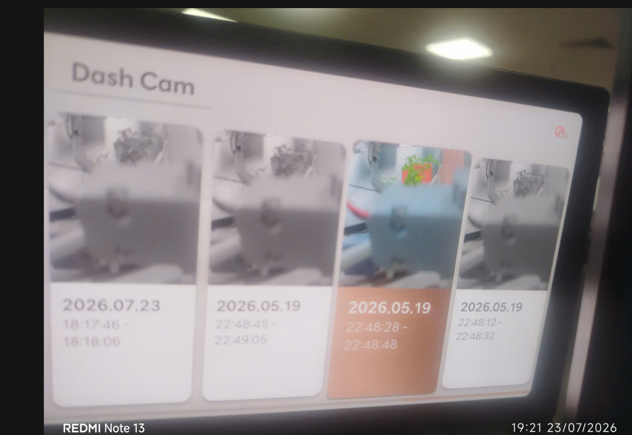 |  |  | X | X | X
 |  |  |  |  |  | 3 | ▪ Playback of recording files generated in HU | ▪ No video glitches, green screens, black screens, or noise |  | 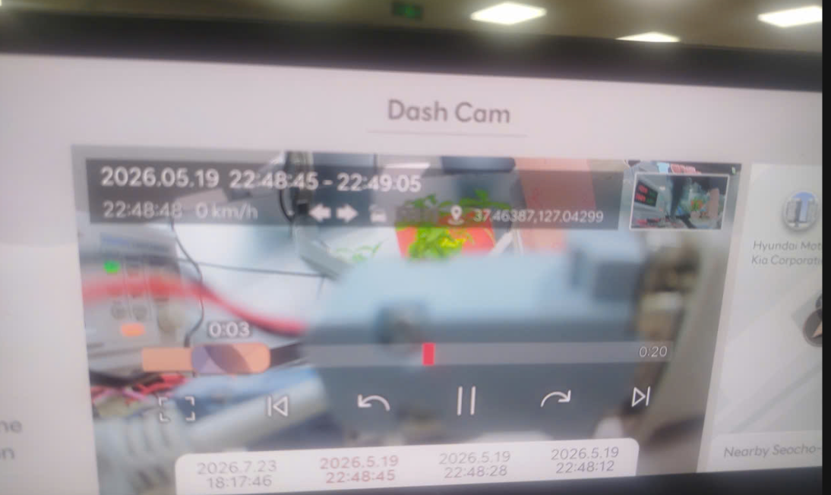 |  |  | X | X | X
 |  |  |  |  |  | 4 | ▪ Check left and right sides of the generated recording file video | ▪ No horizontal flip of the video |  |  |  |  | X | X | X
 |  |  |  |  |  | 3 | ▪ Check front/rear camera indicator | ▪ Camera Indicator (Blink Cycle/Duty Ratio/Hold Time) - 1Hz/50%/10 seconds |  |  |  |  | X | X | △
OWD_119 | ▪ Requirement-based test | ▪ Requirements Analysis | [Manual recording switch recording while driving] Touch switch fault information signal | Switch recording disabled | ▪ Built-in Cam Boot Complete ▪ BLTN_CAM_State = 0x0 (BLTN_CAM Valid) ▪ BLTN_CAM_SD_Card_State = 0x0 (Good) ▪ Associated Controller CAN/Ethernet Communication Enabled ▪ Power: Key On ▪ Voltage: 12V | 1 | ▪ SD card removed ▪ Touch HU Quick Control Manual Recording ▪ Check MAR_SoftKeyEnable signal ▪ Check MAR_SoftKeySystemFailStatus signal | [Built-in Cam 2nd/2.5th/2.6th Gen] Maintain fixed values ​​below [BICIM2-3085] ▪ MAR_SoftKeyEnable = 0x0:Enable ▪ MAR_SoftKeySystemFailStatus = 0x0:Normal [Built-in Cam 3rd Gen] ▪ MAR_SoftKeyEnable = 0x1:Disable ▪ MAR_SoftKeySystemFailStatus = 0x1:SystemFail |  |  |  |  | X | X | X
OWD_022 | ▪ Requirement-based test | ▪ Requirements Analysis | [Check recording time settings for manual recording while driving] (1) | Recording file event settings -10s ~ +10s | ▪ Built-in Cam Boot Complete ▪ BLTN_CAM_State = 0x0 (BLTN_CAM Valid) ▪ BLTN_CAM_SD_Card_State = 0x0 (Good) ▪ Associated Controller CAN/Ethernet Communication Enabled ▪ Power: Key On ▪ Voltage: 12V | 1 | ▪ Set the corresponding event recording time (Bfr, Aft) in the Built-in Cam settings screen BLTN_CAM_EV_BfrTime_NvalueSet = 0x0 (-10s) BLTN_CAM_EV_AftTime_NvalueSet = 0x0 (+10s) ▪ Enable impact event after Bfr time following exit from Built-in Cam mode ▪ Enter Built-in Cam mode after Aft time to check the recorded video ▪ Check the length of the recorded video | ▪BLTN_CAM_Set_EV_BfrTime = 0x0 (-10s) ▪BLTN_CAM_Set_EV_AftTime = 0x0 (+10s) ▪ Recorded video playback length: 20s |  | 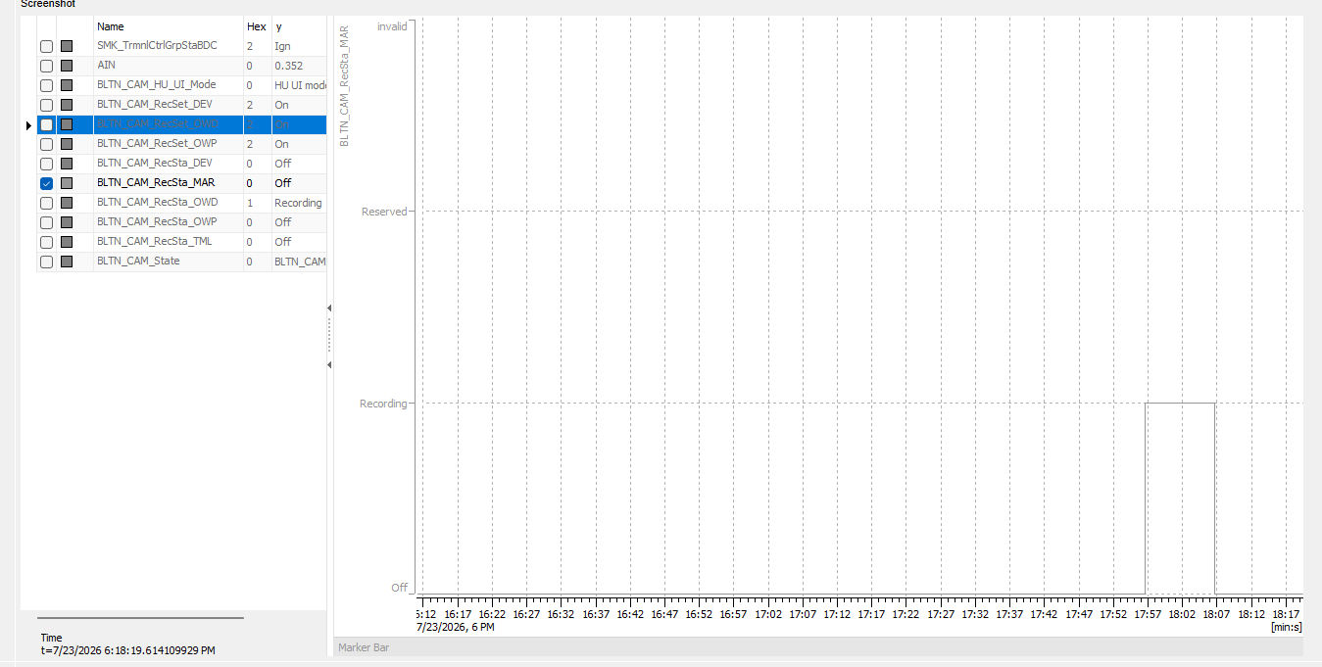 |  |  | X | X | X
 |  |  |  |  |  | 2 | ▪ Check the time of impact in the recorded video | ▪ Time of impact: 10s (Check the time of impact input captured by the camera) |  | 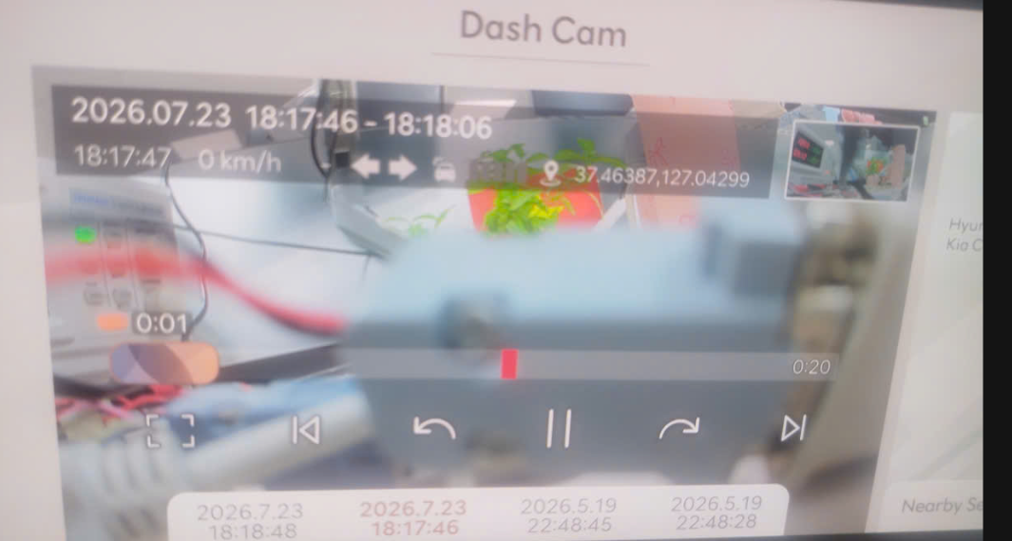 |  |  | X | X | X
OWD_120 | ▪ Requirement-based test | ▪ Requirements Analysis | [Check recording time settings for manual recording while driving] (1) | Recording file event settings -10s ~ +15s | ▪ Built-in Cam Boot Complete ▪ BLTN_CAM_State = 0x0 (BLTN_CAM Valid) ▪ BLTN_CAM_SD_Card_State = 0x0 (Good) ▪ Associated Controller CAN/Ethernet Communication Enabled ▪ Power: Key On ▪ Voltage: 12V | 1 | ▪ Set the corresponding event recording time (Bfr, Aft) in the Built-in Cam settings screen BLTN_CAM_EV_BfrTime_NvalueSet = 0x0 (-10s) BLTN_CAM_EV_AftTime_NvalueSet = 0x5 (+15s) ▪ Enable impact event after Bfr time following exit from Built-in Cam mode ▪ Enter Built-in Cam mode after Aft time to check the recorded video ▪ Check the length of the recorded video | ▪BLTN_CAM_Set_EV_BfrTime = 0x0 (-10s) ▪BLTN_CAM_Set_EV_AftTime = 0x0 (+15s) ▪ Recorded video playback length: 25s |  |  |  |  | X | X | X
 |  |  |  |  |  | 2 | ▪ Check the time of impact in the recorded video | ▪ Time of impact: 10s (Check the time of impact input captured by the camera) |  | 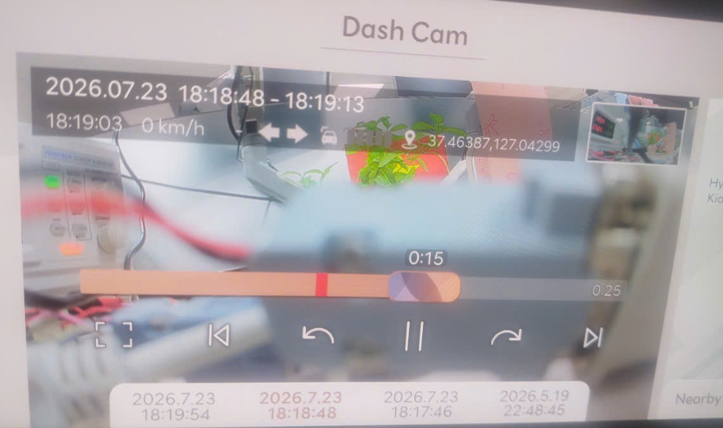 |  |  | X | X | X
OWD_121 | ▪ Requirement-based test | ▪ Requirements Analysis | [Check recording time settings for manual recording while driving] (1) | Recording file event settings -10s ~ +20s | ▪ Built-in Cam Boot Complete ▪ BLTN_CAM_State = 0x0 (BLTN_CAM Valid) ▪ BLTN_CAM_SD_Card_State = 0x0 (Good) ▪ Associated Controller CAN/Ethernet Communication Enabled ▪ Power: Key On ▪ Voltage: 12V | 1 | ▪ Set the corresponding event recording time (Bfr, Aft) in the Built-in Cam settings screen BLTN_CAM_EV_BfrTime_NvalueSet = 0x0 (-10s) BLTN_CAM_EV_AftTime_NvalueSet = 0xA (+20s) ▪ Enable impact event after Bfr time following exit from Built-in Cam mode ▪ Enter Built-in Cam mode after Aft time to check the recorded video ▪ Check the length of the recorded video | ▪BLTN_CAM_Set_EV_BfrTime = 0x0 (-10s) ▪BLTN_CAM_Set_EV_AftTime = 0x0 (+20s) ▪ Recorded video playback length: 30s |  |  |  |  | X | X | X
 |  |  |  |  |  | 2 | ▪ Check the time of impact in the recorded video | ▪ Time of impact: 10s (Check the time of impact input captured by the camera) |  | 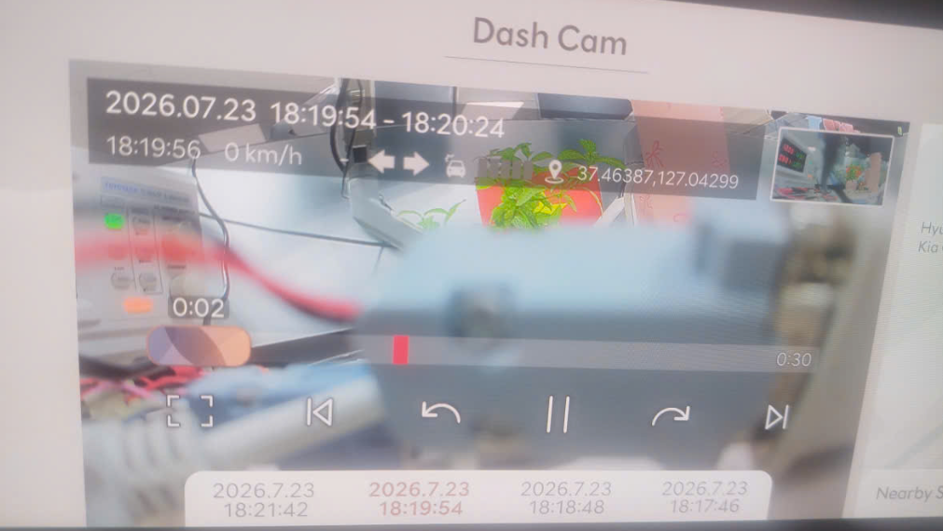 |  |  | X | X | X
OWD_023 | ▪ Requirement-based test | ▪ Requirements Analysis | [Check recording time settings for manual recording while driving] (2) | Recording file event settings -15s ~ +10s | ▪ Built-in Cam Boot Complete ▪ BLTN_CAM_State = 0x0 (BLTN_CAM Valid) ▪ BLTN_CAM_SD_Card_State = 0x0 (Good) ▪ Associated Controller CAN/Ethernet Communication Enabled ▪ Power: Key On ▪ Voltage: 12V | 1 | ▪ Set the corresponding event recording time (Bfr, Aft) in the Built-in Cam settings screen BLTN_CAM_EV_BfrTime_NvalueSet = 0x5 (-15s) BLTN_CAM_EV_AftTime_NvalueSet = 0x0 (+10s) ▪ Enable impact event after Bfr time following exit from Built-in Cam mode ▪ Enter Built-in Cam mode after Aft time to check the recorded video ▪ Check the length of the recorded video | ▪BLTN_CAM_Set_EV_BfrTime = 0x0 (-15s) ▪BLTN_CAM_Set_EV_AftTime = 0x0 (+10s) ▪ Recorded video playback length: 25s |  |  |  |  | X | X | X
 |  |  |  |  |  | 2 | ▪ Check the time of impact in the recorded video | ▪ Time of impact: 15s (Check the time of impact input captured by the camera) |  | 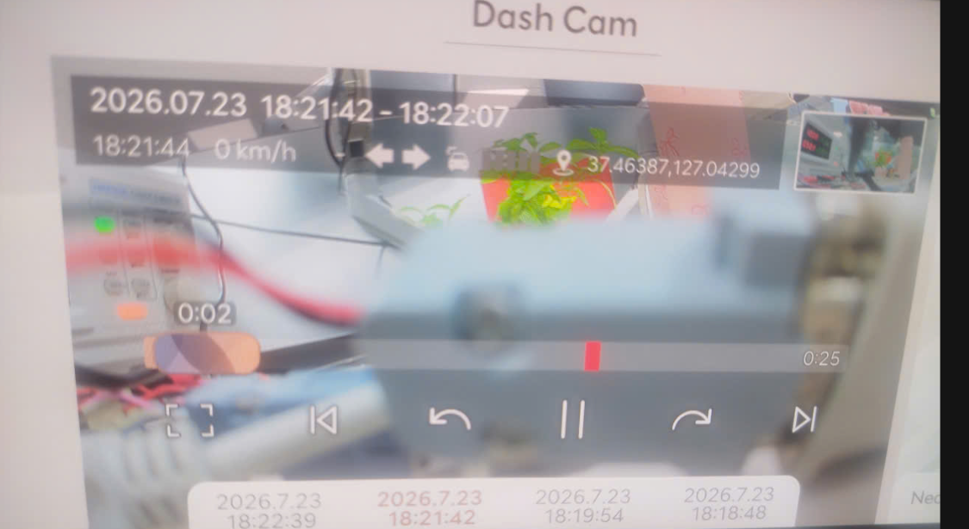 |  |  | X | X | X
OWD_122 | ▪ Requirement-based test | ▪ Requirements Analysis | [Check recording time settings for manual recording while driving] (2) | Recording file event settings -15s ~ +15s | ▪ Built-in Cam Boot Complete ▪ BLTN_CAM_State = 0x0 (BLTN_CAM Valid) ▪ BLTN_CAM_SD_Card_State = 0x0 (Good) ▪ Associated Controller CAN/Ethernet Communication Enabled ▪ Power: Key On ▪ Voltage: 12V | 1 | ▪ Set the corresponding event recording time (Bfr, Aft) in the Built-in Cam settings screen BLTN_CAM_EV_BfrTime_NvalueSet = 0x5 (-15s) BLTN_CAM_EV_AftTime_NvalueSet = 0x5 (+15s) ▪ Enable impact event after Bfr time following exit from Built-in Cam mode ▪ Enter Built-in Cam mode after Aft time to check the recorded video ▪ Check the length of the recorded video | ▪BLTN_CAM_Set_EV_BfrTime = 0x0 (-15s) ▪BLTN_CAM_Set_EV_AftTime = 0x0 (+15s) ▪ Recorded video playback length: 30s |  |  |  |  | X | X | X
 |  |  |  |  |  | 2 | ▪ Check the time of impact in the recorded video | ▪ Time of impact: 15s (Check the time of impact input captured by the camera) |  | 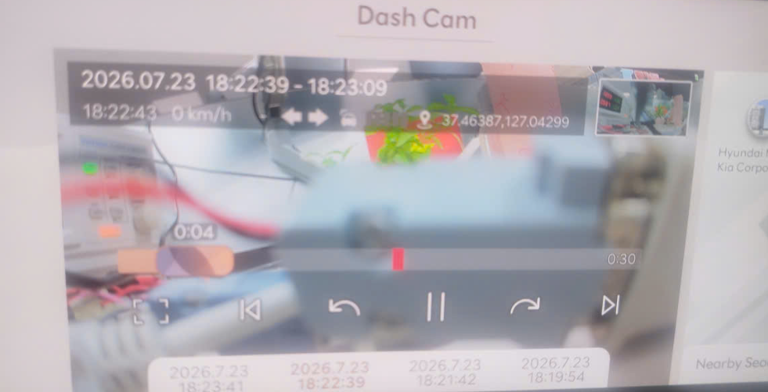 |  |  | X | X | X
OWD_123 | ▪ Requirement-based test | ▪ Requirements Analysis | [Check recording time settings for manual recording while driving] (2) | Recording file event settings -15s ~ +20s | ▪ Built-in Cam Boot Complete ▪ BLTN_CAM_State = 0x0 (BLTN_CAM Valid) ▪ BLTN_CAM_SD_Card_State = 0x0 (Good) ▪ Associated Controller CAN/Ethernet Communication Enabled ▪ Power: Key On ▪ Voltage: 12V | 1 | ▪ Set the corresponding event recording time (Bfr, Aft) in the Built-in Cam settings screen BLTN_CAM_EV_BfrTime_NvalueSet = 0x5 (-15s) BLTN_CAM_EV_AftTime_NvalueSet = 0xA (+20s) ▪ Enable impact event after Bfr time following exit from Built-in Cam mode ▪ Enter Built-in Cam mode after Aft time to check the recorded video ▪ Check the length of the recorded video | ▪BLTN_CAM_Set_EV_BfrTime = 0x0 (-15s) ▪BLTN_CAM_Set_EV_AftTime = 0x0 (+15s) ▪ Recorded video playback length: 35s |  |  |  |  | X | X | X
 |  |  |  |  |  | 2 | ▪ Check the time of impact in the recorded video | ▪ Time of impact: 15s (Check the time of impact input captured by the camera) |  | 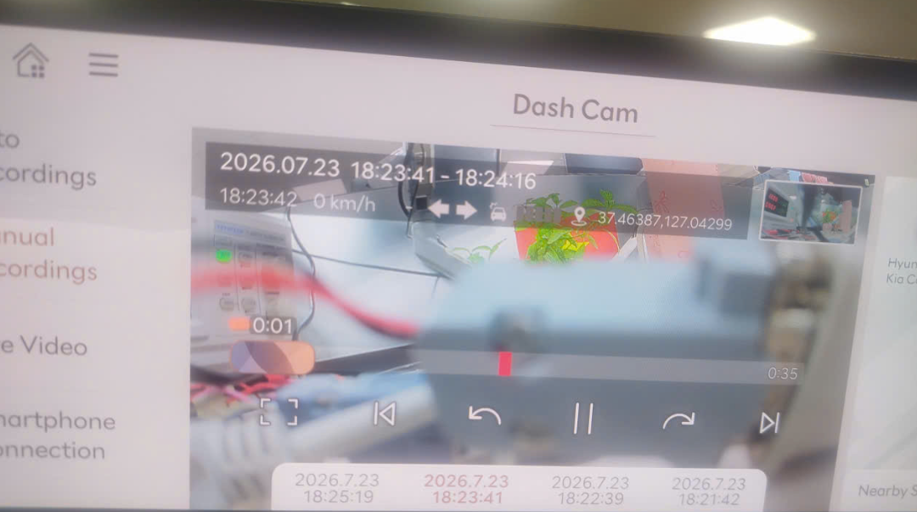 |  |  | X | X | X
OWD_024 | ▪ Requirement-based test | ▪ Requirements Analysis | [Check recording time settings for manual recording while driving] (3) | Recording file event settings -20s ~ +10s | ▪ Built-in Cam Boot Complete ▪ BLTN_CAM_State = 0x0 (BLTN_CAM Valid) ▪ BLTN_CAM_SD_Card_State = 0x0 (Good) ▪ Associated Controller CAN/Ethernet Communication Enabled ▪ Power: Key On ▪ Voltage: 12V | 1 | ▪ Set the corresponding event recording time (Bfr, Aft) in the Built-in Cam settings screen BLTN_CAM_EV_BfrTime_NvalueSet = 0xA (-20s) BLTN_CAM_EV_AftTime_NvalueSet = 0x0 (+10s) ▪ Enable impact event after Bfr time following exit from Built-in Cam mode ▪ Enter Built-in Cam mode after Aft time to check the recorded video ▪ Check the length of the recorded video | ▪BLTN_CAM_Set_EV_BfrTime = 0x0 (-20s) ▪BLTN_CAM_Set_EV_AftTime = 0x0 (+10s) ▪ Recorded video playback length: 30s |  |  |  |  | X | X | X
 |  |  |  |  |  | 2 | ▪ Check the time of impact in the recorded video | ▪ Time of impact: 20s (Check the time of impact input captured by the camera) |  | 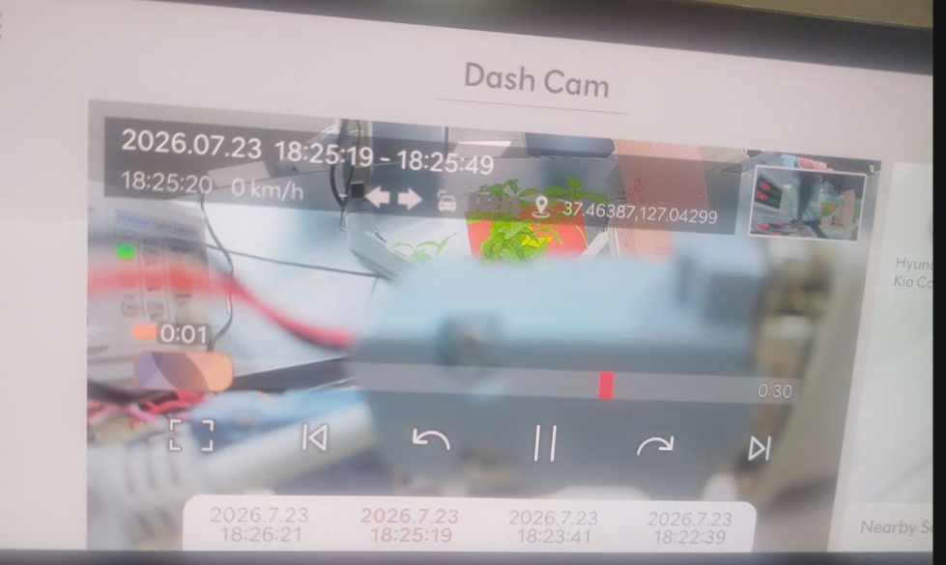 |  |  | X | X | X
OWD_124 | ▪ Requirement-based test | ▪ Requirements Analysis | [Check recording time settings for manual recording while driving] (3) | Recording file event settings -20s ~ +15s | ▪ Built-in Cam Boot Complete ▪ BLTN_CAM_State = 0x0 (BLTN_CAM Valid) ▪ BLTN_CAM_SD_Card_State = 0x0 (Good) ▪ Associated Controller CAN/Ethernet Communication Enabled ▪ Power: Key On ▪ Voltage: 12V | 1 | ▪ Set the corresponding event recording time (Bfr, Aft) in the Built-in Cam settings screen BLTN_CAM_EV_BfrTime_NvalueSet = 0xA (-20s) BLTN_CAM_EV_AftTime_NvalueSet = 0x5 (+15s) ▪ Enable impact event after Bfr time following exit from Built-in Cam mode ▪ Enter Built-in Cam mode after Aft time to check the recorded video ▪ Check the length of the recorded video | ▪BLTN_CAM_Set_EV_BfrTime = 0x0 (-20s) ▪BLTN_CAM_Set_EV_AftTime = 0x0 (+15s) ▪ Recorded video playback length: 35s |  |  |  |  | X | X | X
 |  |  |  |  |  | 2 | ▪ Check the time of impact in the recorded video | ▪ Time of impact: 20s (Check the time of impact input captured by the camera) |  | 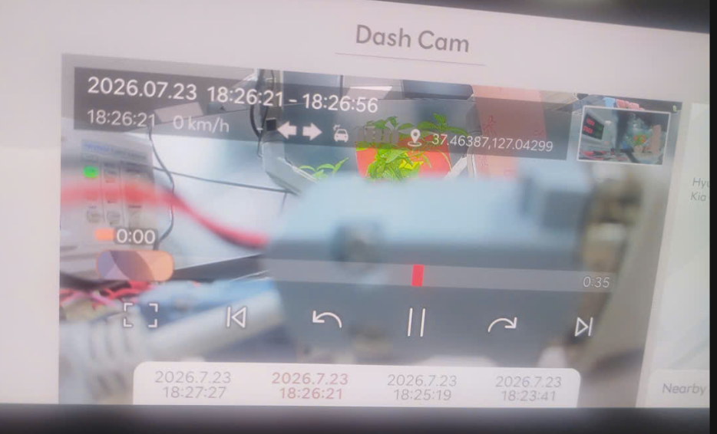 |  |  | X | X | X
OWD_125 | ▪ Requirement-based test | ▪ Requirements Analysis | [Check recording time settings for manual recording while driving] (3) | Recording file event settings -20s ~ +20s | ▪ Built-in Cam Boot Complete ▪ BLTN_CAM_State = 0x0 (BLTN_CAM Valid) ▪ BLTN_CAM_SD_Card_State = 0x0 (Good) ▪ Associated Controller CAN/Ethernet Communication Enabled ▪ Power: Key On ▪ Voltage: 12V | 1 | ▪ Set the corresponding event recording time (Bfr, Aft) in the Built-in Cam settings screen BLTN_CAM_EV_BfrTime_NvalueSet = 0xA (-20s) BLTN_CAM_EV_AftTime_NvalueSet = 0aA (+20s) ▪ Enable impact event after Bfr time following exit from Built-in Cam mode ▪ Enter Built-in Cam mode after Aft time to check the recorded video ▪ Check the length of the recorded video | ▪BLTN_CAM_Set_EV_BfrTime = 0x0 (-20s) ▪BLTN_CAM_Set_EV_AftTime = 0x0 (+20s) ▪ Recorded video playback length: 40s |  |  |  |  | X | X | X
 |  |  |  |  |  | 2 | ▪ Check the time of impact in the recorded video | ▪ Time of impact: 20s (Check the time of impact input captured by the camera) |  | 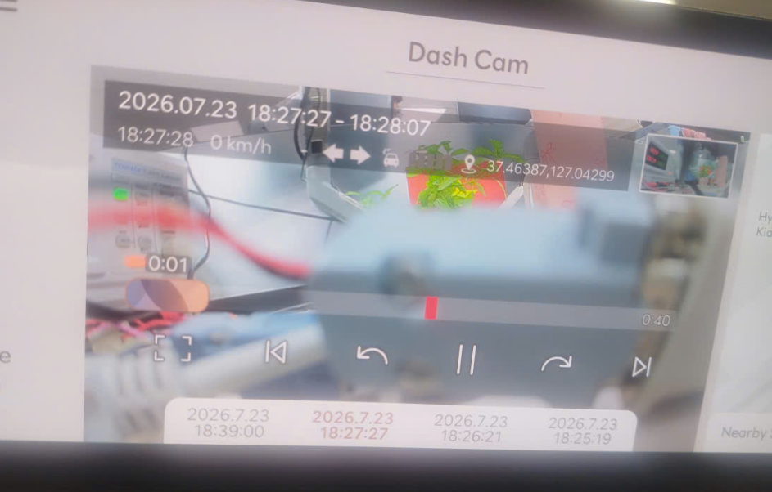 |  |  | X | X | X
[BLTN_CAM-기능-004] 타임랩스 녹화
 |  |  |  |  |  | 2 | ▪ Start time-lapse recording ▪ Recording for 20 minutes ▪ Play recording after end | ▪ Check 1200 Frame, 1 minute 20 second file (tolerance: 1 minute 19 seconds) ▪ No video glitches, green screens, black screens, or noise |  |  |  |  | O | X | X
 |  |  |  |  |  | 3 | ▪ Playback of recording files generated in HU | ▪ No video glitches, green screens, black screens, or noise |  | 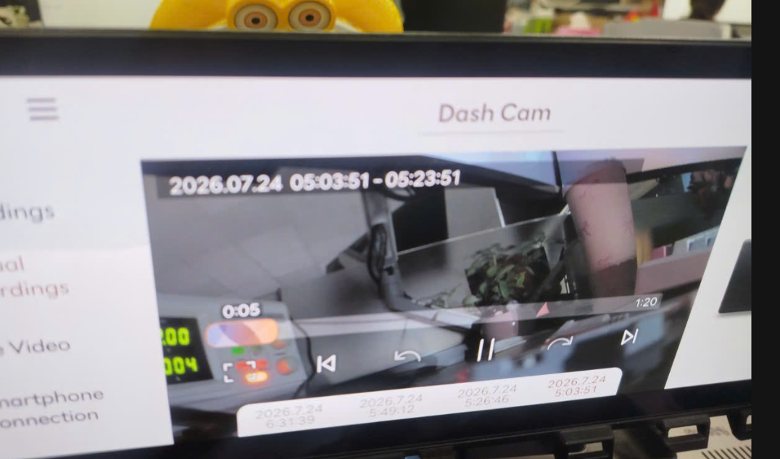 |  |  | X | X | X
 |  |  |  |  |  | 4 | ▪ Check left and right sides of the generated recording file video | ▪ No horizontal flip of the video |  |  |  |  | X | X | X
 |  |  |  |  |  | 2 | ▪ Start time-lapse recording ▪ Record for 40 minutes ▪ Check the recording file after ending the recording | ▪ Check 1200 Frame, 1 minute 20 second file (tolerance: 1 minute 19 seconds) ▪ No video glitches, green screens, black screens, or noise |  |  |  |  | X | X | X
 |  |  |  |  |  | 3 | ▪ Playback of recording files generated in HU | ▪ No video glitches, green screens, black screens, or noise |  | 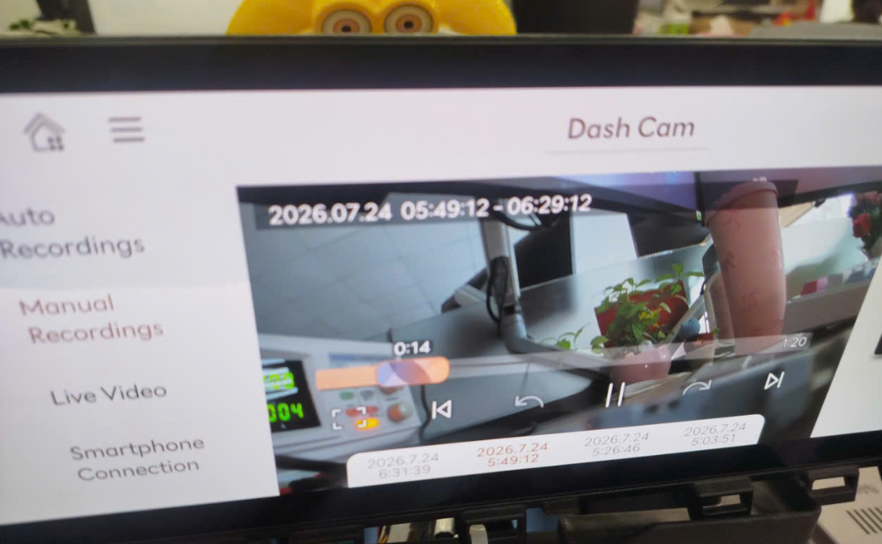 |  |  | X | X | X
 |  |  |  |  |  | 4 | ▪ Check left and right sides of the generated recording file video | ▪ No horizontal flip of the video |  |  |  |  | X | X | X
 |  |  |  |  |  | 2 | ▪ Start time-lapse recording ▪ Record for 100 minutes ▪ Check the recording file after ending the recording | ▪ Check 1200 Frame, 1 minute 20 second file (tolerance: 1 minute 19 seconds) ▪ No video glitches, green screens, black screens, or noise |  |  |  |  | X | X | X
 |  |  |  |  |  | 3 | ▪ Playback of recording files generated in HU | ▪ No video glitches, green screens, black screens, or noise |  | 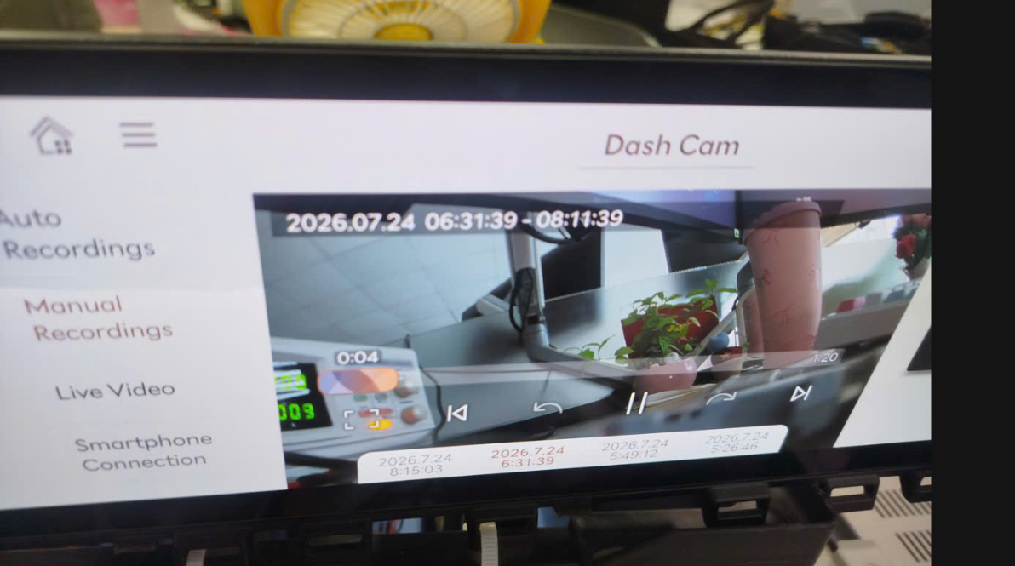 |  |  | X | X | X
 |  |  |  |  |  | 4 | ▪ Check left and right sides of the generated recording file video | ▪ No horizontal flip of the video |  |  |  |  | X | X | X
 |  |  |  |  |  | 3 | ▪ Check front/rear camera indicator | ▪ Camera Indicator (Blink Cycle/Duty Ratio/Hold Time) - 0.25Hz/50%/10 seconds |  |  |  |  | X | X | △
 |  |  |  |  |  | 6 | ▪ Check front/rear camera indicator | ▪ Camera Indicator (Flash Cycle/Duty Ratio/Hold Time) - Off/-/Hold |  |  |  |  | X | X | △
OWD_128 | ▪ Requirement-based test | ▪ Requirements Analysis | [Time-lapse Recording] (2) : HU mode | Stop recording in HU mode (long press) - 10 frames ↓, not saved | ▪ Built-in Cam Boot Complete ▪ BLTN_CAM_State = 0x0 (BLTN_CAM Valid) ▪ BLTN_CAM_SD_Card_State = 0x0 (Good) ▪ Associated Controller CAN/Ethernet Communication Enabled ▪ Power: Key On ▪ Voltage: 12V | 1 | ▪ Press and hold Event Switch (1.3s or longer) ▪ Wait 5 seconds, then press and hold Event Switch (1.3s or longer) ▪ Built-in Cam Main Screen ▪ [Time-lapse] Go to Library and check that no recording file has been created | ▪ Confirm do not save time-lapse recording file |  |  |  |  | X | X | X
OWD_129 | ▪ Requirement-based test | ▪ Requirements Analysis | [Time-lapse Recording] (2) : HU mode | Entering the built-in cam while recording a time-lapse in HU mode | ▪ Built-in Cam Boot Complete ▪ BLTN_CAM_State = 0x0 (BLTN_CAM Valid) ▪ BLTN_CAM_SD_Card_State = 0x0 (Good) ▪ Associated Controller CAN/Ethernet Communication Enabled ▪ Power: Key On ▪ Voltage: 12V | 1 | ▪ Event Switch Long Press (1.3s or longer) ▪ Wait 10 seconds ▪ Enter Built-in Cam | ▪ Stop time-lapse recording ▪ Confirm creation of time-lapse recording file |  |  |  |  | X | X | X
 |  |  |  |  |  | 2 | ▪ Check front/rear camera indicator | ▪ F/R-CAM_INDI = Off |  |  |  |  | X | △ | △
OWD_131 | ▪ Requirement-based test | ▪ Requirements Analysis | [Time-lapse Recording] (4): Event Switch Indicator Flashing | Event Switch INDI flashes in the reverse order of the previous state (ON/OFF) - Event Switch/Impact recording occurs during time-lapse recording | ▪ Built-in Cam Boot Complete ▪ BLTN_CAM_State = 0x0 (BLTN_CAM Valid) ▪ BLTN_CAM_SD_Card_State = 0x0 (Good) ▪ Associated Controller CAN/Ethernet Communication Enabled ▪ Power: Key On ▪ Voltage: 12V | 1 | ▪ Event Switch long press (1.3s or longer) → Start Time-lapse recording (Event Switch indicator = Flashing (0.5Hz)) ▪ When the Event Switch indicator is flashing and in the Off state ▪ Manual Switch input | ▪ Event Switch Indicator = When an event occurs while Off (0.5Hz) Immediately Turn On, blinking at 1Hz for 10 seconds ▪ Returns to 0.5Hz after event recording is complete |  |  |  |  | X | X | X
 |  |  |  |  |  | 2 | ▪ When the event switch indicator is blinking and in the On state ▪ Manual switch input | ▪ Event Switch Indicator = When an event occurs while On (0.5Hz) Immediately Off, blinks at 1Hz for 10 seconds ▪ Returns to 0.5Hz after event recording is complete |  |  |  |  | X | X | X
 |  |  |  |  |  | 3 | ▪ When the Event Switch Indicator is blinking and in the Off state ▪ Enable Impact Event | ▪ Event Switch Indicator: Turn On Immediately ▪ Subsequently, Event Switch Indicator (Blinking Cycle/Duty Ratio/Duration) - 1Hz/50%/10 seconds ▪ After event recording is complete, Event Switch Indicator (Blinking Cycle/Duty Ratio/Duration) - 0.5Hz/50%/Duration |  |  |  |  | X | X | X
 |  |  |  |  |  | 4 | ▪ When the Event Switch Indicator is blinking and in the On state ▪ Enable Shock Event | ▪ Event Switch Indicator = When an event occurs while On (0.5Hz) Immediately Off, blinks at 1Hz for 10 seconds ▪ Returns to 0.5Hz after event recording is complete |  |  |  |  | X | X | X
 |  |  |  |  |  | 3 | ▪ Built-in Cam Main Screen ▪ [Timelapse] Check Library | ▪ No black thumbnails in the video list ▪ Displayed in the video list by the time-lapse recording start time |  |  |  |  | X | X | X
 |  |  |  |  |  | 4 | ▪ Play generated recording file | ▪ No video glitches, green screens, black screens, or noise |  | 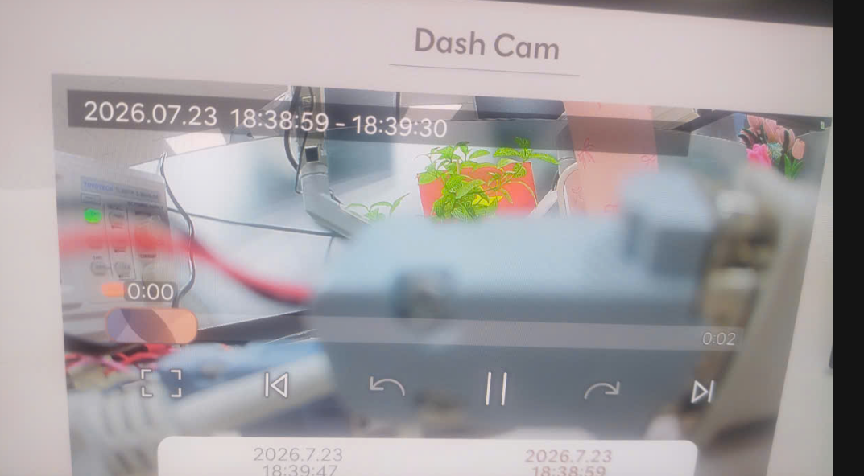 |  |  | X | X | X
OWD_134 | ▪ Requirement-based test | ▪ Requirements Analysis | [Time-lapse Recording] (6) : Other than specifications | Check whether recording is saved when KEY is OFF during time-lapse recording | ▪ Built-in Cam Boot Complete ▪ BLTN_CAM_State = 0x0 (BLTN_CAM Valid) ▪ BLTN_CAM_SD_Card_State = 0x0 (Good) ▪ Associated Controller CAN/Ethernet Communication Enabled ▪ Power: Key On ▪ Voltage: 12V | 1 | ▪ Recording time-lapse for 1 minute or longer ▪ KEY Off ▪ Check Library after turning KEY On, | ▪ No black thumbnails in the video list ▪ Displayed in the video list by the time-lapse recording start time |  | 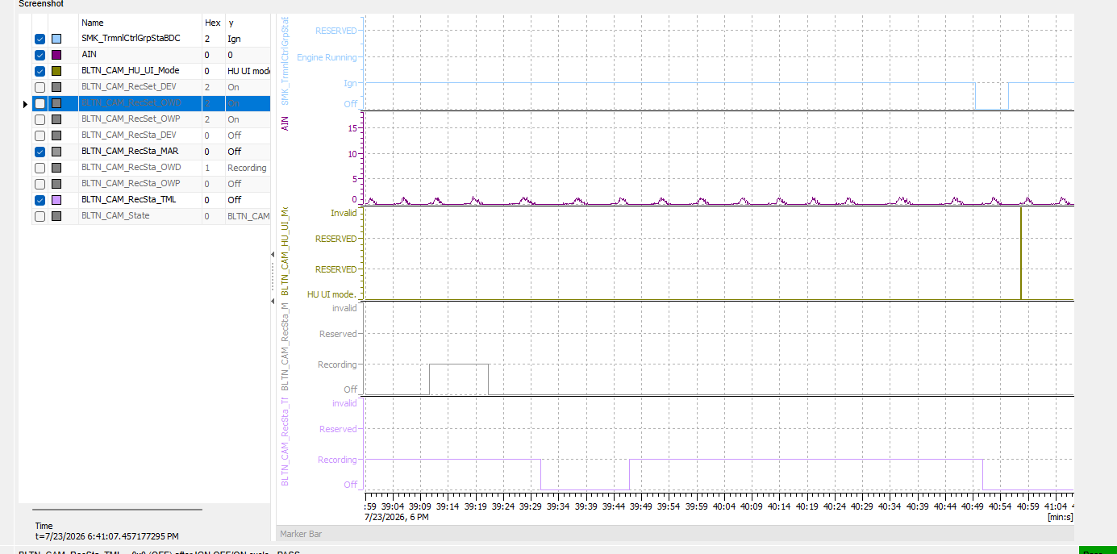 |  |  | X | X | X
 |  |  |  |  |  | 2 | ▪ Play generated recording file | ▪ No video glitches, green screens, black screens, or noise |  | 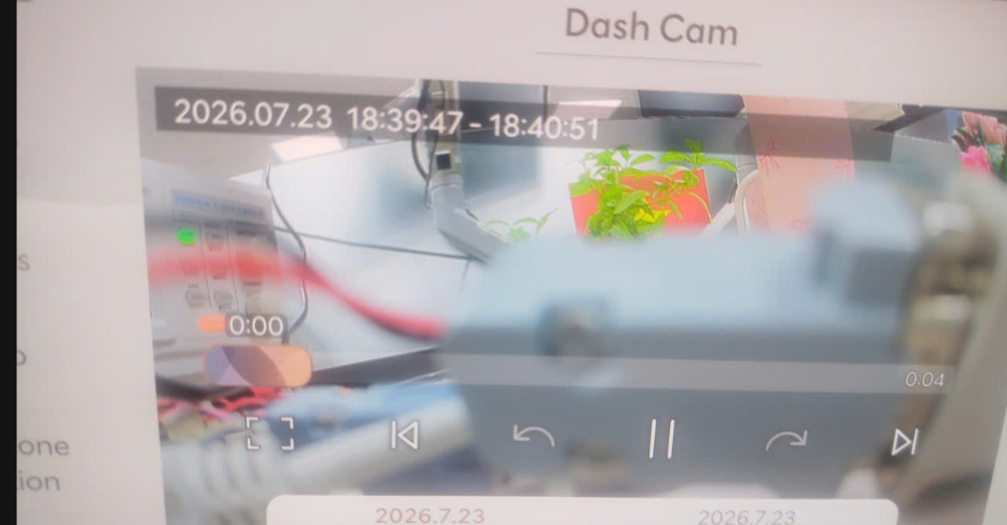 |  |  | X | X | X

